Risk Classification Framework
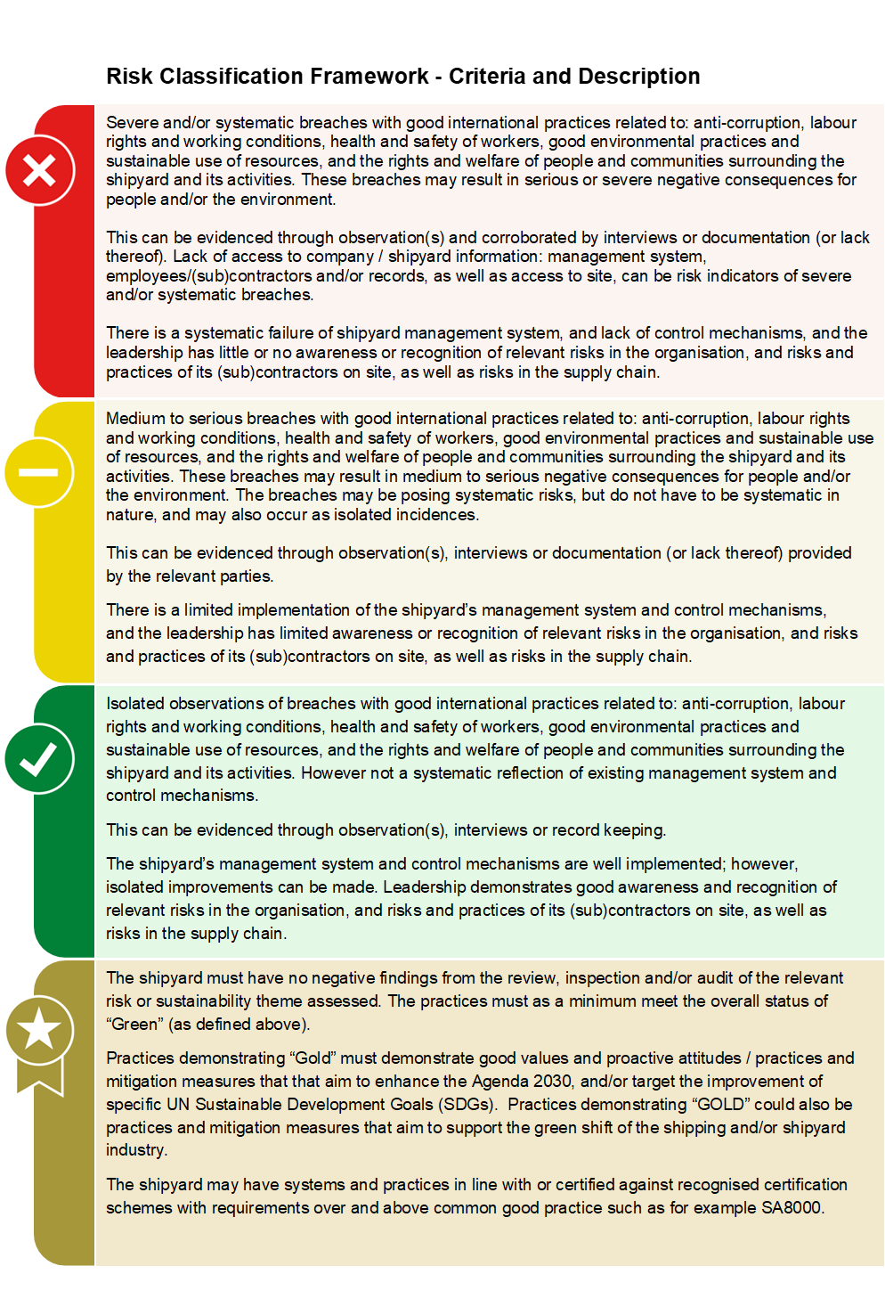

General Information
GENERAL INFORMATION ABOUT SHIPYARD
# | Question | Response
1 | Date
2 | Name of the shipyard
3 | Country
4 | Address:
5 | Shipyard status
6 | Assessment type
7 | Who has requested the audit (such as ship owner, ship builder, finance institution, the shipyard itself or others)?
8 | Does the shipyard hold any certificates listed below?

9 | Directly employed workers at shipyard: |  | (A)
10 | Directly employed office staff at shipyard: |  | (B)
11 | Number of subcontractors at shipyard: |  | (C)
12 | Shipyard total workforce : | 0 | (A+B+C)
13 | Number of women within the total workforce: |  | #DIV/0!
14 | Number of women working as office staff:
15 | Number of disabled / functionally impaired people within the workforce: |  | #DIV/0!
16 | Number of foreign migrant workers within the total workforce: |  | #DIV/0!
17 | Provide an overview of the nationalities at the shipyard, and a break down of the numbers: | Nationality | Number


18 | Specify the languages spoken by the workforce at the shipyard:
19 | Specify if any foreign managers or supervisors at the shipyard:
20 | Number of subcontractor companies at the shipyard:

